Invoice
CALIFOR UPHOLSTERY MATERIALS CO., LTD.
XIN BAVET SEZ, Road No. 316A, Trapeang Bon and Prey Kokir Villages, Prey Kokir Commune, Chantrea District,
Svay Rieng Province, Kingdom of Cambodia.
VAT:L001-901903209
Tel: +855 975910636
INVOICE
 |  |  |  |  | REFNO: | CLF2025-194
EXPORTER: | CALIFOR UPHOLSTERY MATERIALS CO., LTD. |  |  |  | INVOICE NO : | JLFMH25016
 | XIN BAVET SEZ, Road No. 316A, Trapeang Bon and Prey Kokir Villages, |  |  |  | Date: | 03/07/2025
 | Prey Kokir Commune, Chantrea District,Svay Rieng Province, Kingdom of Cambodia . |  |  |  | DAP: | BINH DUONG
 | Tel: +855 975910636 |  |  |  | PAYMENT： | 100% TT after shipment

CONSIGNEE : | Timberland Co.,Ltd
 | Group 2, Binh Chanh Hamlet, Khanh Binh Agency, Tan Uyen City,
 | Binh Duong Province, Vietnam.
 | P+84 989 777 156 Contact: Mai Ca Email:vn01@rm-motion.com,and Vn-custom03@manwahgroup.com
 | Postcode: 820000 TAX ID: 3700762351

SHIP: | BY TRUCK FROM BAVET, SVAY RIENG, CAMBODIA TO BINH DUONG PROVINCE, VIETNAM.

Mark & Nº | P.O. Nº | ITEM Nº | Description | Quantity | Unit price (USD) | Amount (USD)
VENDOR#: | 6601177585 | 110140531 | LEATHER | 25,572.20 |  | 28,896.59
Des: LEATHER | 6601212244 | 110137020 |  | 35,033.20 |  | 40,988.84
MADE IN CAMBODIA | 6601234257 | 110137020 |  | 10,448.60 |  | 12,224.86
 | 6601177595 | 110140550 |  | 21,788.10 |  | 24,620.55
 | 6601222501 | 110137280 |  | 6,330.40 |  | 7,406.57
 | 6601237407 | 110137280 |  | 5,670.40 |  | 6,634.37
 | 6601177613 | 110137200 |  | 41,193.50 |  | 43,253.18
 | 6601215251 | 110137160 |  | 3,951.40 |  | 4,030.43
 | 6601226233 | 110137160 |  | 7,144.60 |  | 7,287.49
 | 6601177670 | 110145460 |  | 2,407.20 |  | 3,466.37
 | TOTAL: | 16 PALLETS


Country of Original Cambodia
Manufacture: | CALIFOR UPHOLSTERY MATERIALS CO., LTD. XIN BAVET SEZ, Road No. 316A, Trapeang Bon and Prey Kokir Villages, Prey Kokir Commune, Chantrea District,Svay Rieng Province, Kingdom of Cambodia, Tel: +855 975910636
BENEFICIARY BANK：BANK OF CHINA(HONG KONG)LIMITED PHNOM PENH BRANCH /BANK OF CHINA PHNOM PENH BRANCH
A/C NO:100001100764430
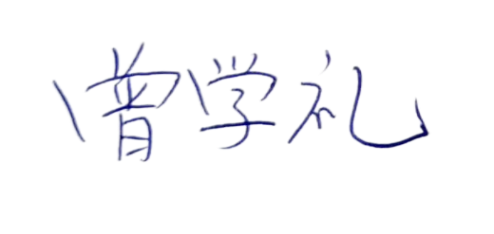
SWIFT CODE ：BKCHKHPPXXX
 |  |  |  |  | CALIFOR UPHOLSTERY MATERIALS CO., LTD.
 |  |  |  |  | Sign & Stamp

 |  |  |  |  | ZENG XUELI

